Properties
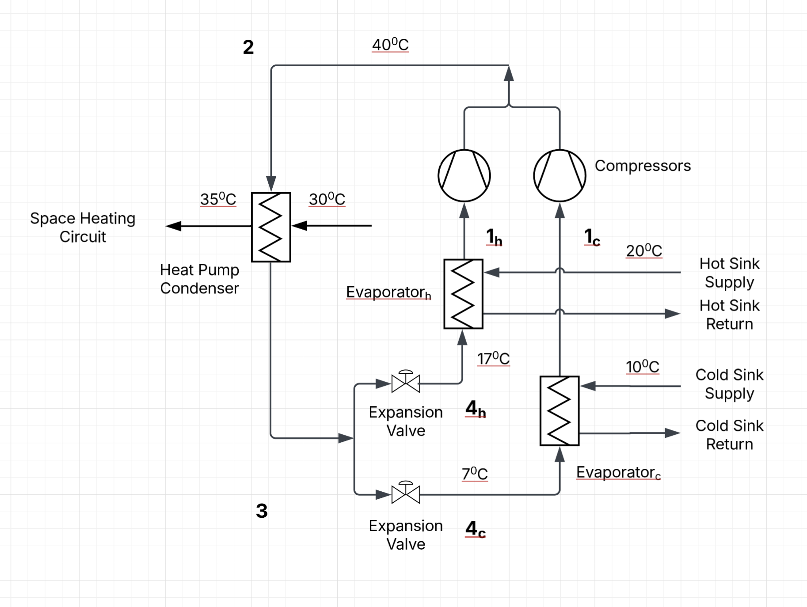
Refrigerant |  | R32
Data source |  | tlk-energy.de pressure-enthalpy
Compressor Efficiency |  | 70% | ref: Star
Superheating | K | 6
Subcooling | K | 5
T0 | K | 273
Tevap, h | ºC | 17 | 290 | K
Tevap, c | ºC | 7 | 280 | K

 |  | Hot (h) |  |  |  | Cold (c)
 | Rating Condition | W20W35 |  |  | W10W35
 |  | Winter | Spring/autumn | Summer | Winter | Spring/autumn | Summer
h1 | kJ/kg | 525.4 | 525.4 | 525.4 | 524 | 524 | 524
h2,act | kJ/kg | 559.6 | 559.6 | 559.6 | 576.7 | 576.7 | 576.7
h2 | kJ/kg
h3 | kJ/kg | 265.1 | 265.1 | 265.1 | 265.1 | 265.1 | 265.1
h4 | kJ/kg | 265.1 | 265.1 | 265.1 | 265.1 | 265.1 | 265.1
s1 | J/kg.K | 2122.4 | 2122.4 | 2122.4 | 2156.2 | 2156.2 | 2156.2
s2,act | J/kg.K | 2152.7 | 2152.7 | 2152.7 | 2201.3 | 2201.3 | 2201.3
s2 | J/kg.K
s3 | J/kg.K | 1218.1 | 1218.1 | 1218.1 | 1218.1 | 1218.1 | 1218.1
s4 | J/kg.K | 1225.6 | 1225.6 | 1225.6 | 1232.2 | 1232.2 | 1232.2

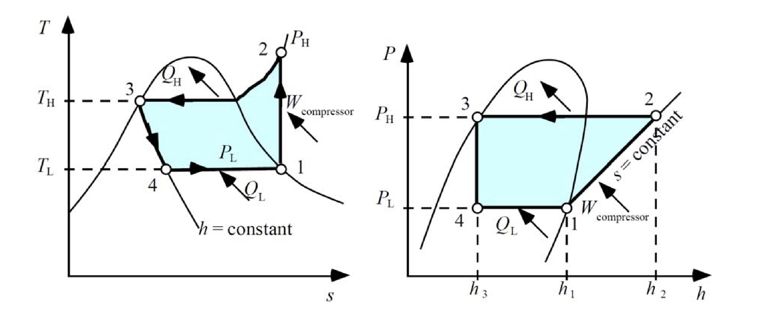

 |  |  | Expansion Valve | Compressor | Evaporator | Proportion
 |  | Winter
 |  | Hot leg | 5.0% | 20.1% | 74.9% | 88.5%
 |  | Cold leg | 13.1% | 42.0% | 44.8% | 11.5%
 |  | Spring/autumn
 |  | Hot leg | 5.0% | 20.1% | 74.9% | 78.2%
 |  | Cold leg | 13.1% | 42.0% | 44.8% | 21.8%
 |  | Summer
 |  | Hot leg | 0 | 0 | 0 | 0
 |  | Cold leg | 13.1% | 42.0% | 44.8% | 100.0%

